Defect Report


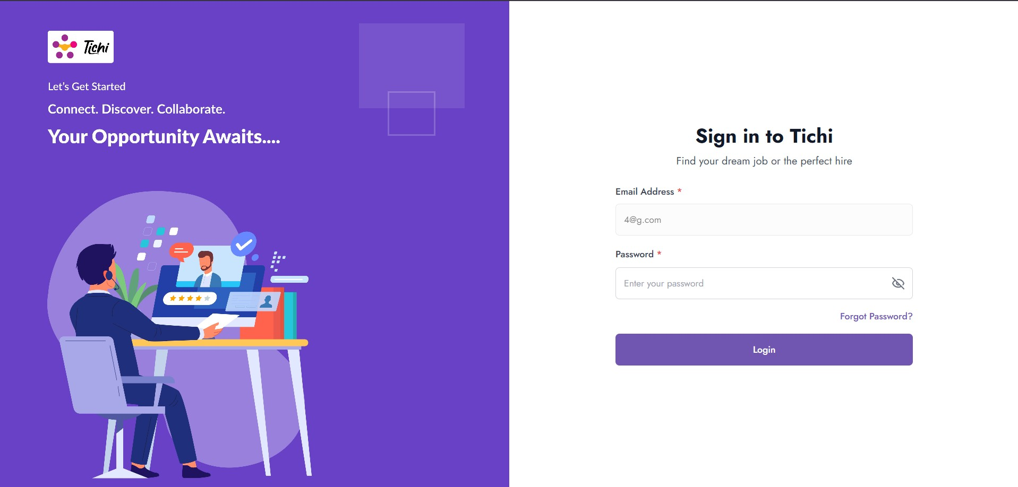
TICHI APPLICATION — DEFECT REPORT
Bug ID | BUG_001
Title | Application allows users to proceed without validating email format on Sign In initial page
Reported By | Rethina Prakash K.S
Date | 2026-07-03
Module | Sign In (Initial)
Test Case | TC006
Environment | Browser: Chrome | OS: Windows 11 | Application: Tichi
Severity | High
Priority | High
Status | New
Preconditions | User is on the Tichi Sign In initial page. Internet is active.
Steps to Reproduce | 1. Navigate to the Tichi Sign In page 2. Enter an invalid email format in the Email Address field (example: abcd@) 3. Click the Continue button 4. Observe the behavior
Expected Result | Validation shown:Invalid Email
Actual Result | Account created successfully and verification email is sent
Attachment | Screenshot is attached showing invalid email in field and page proceeding to next step.

